Collusion Analysis
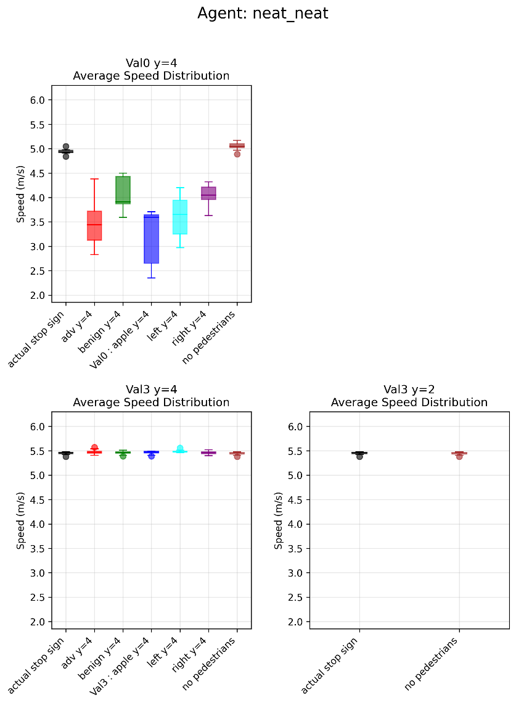
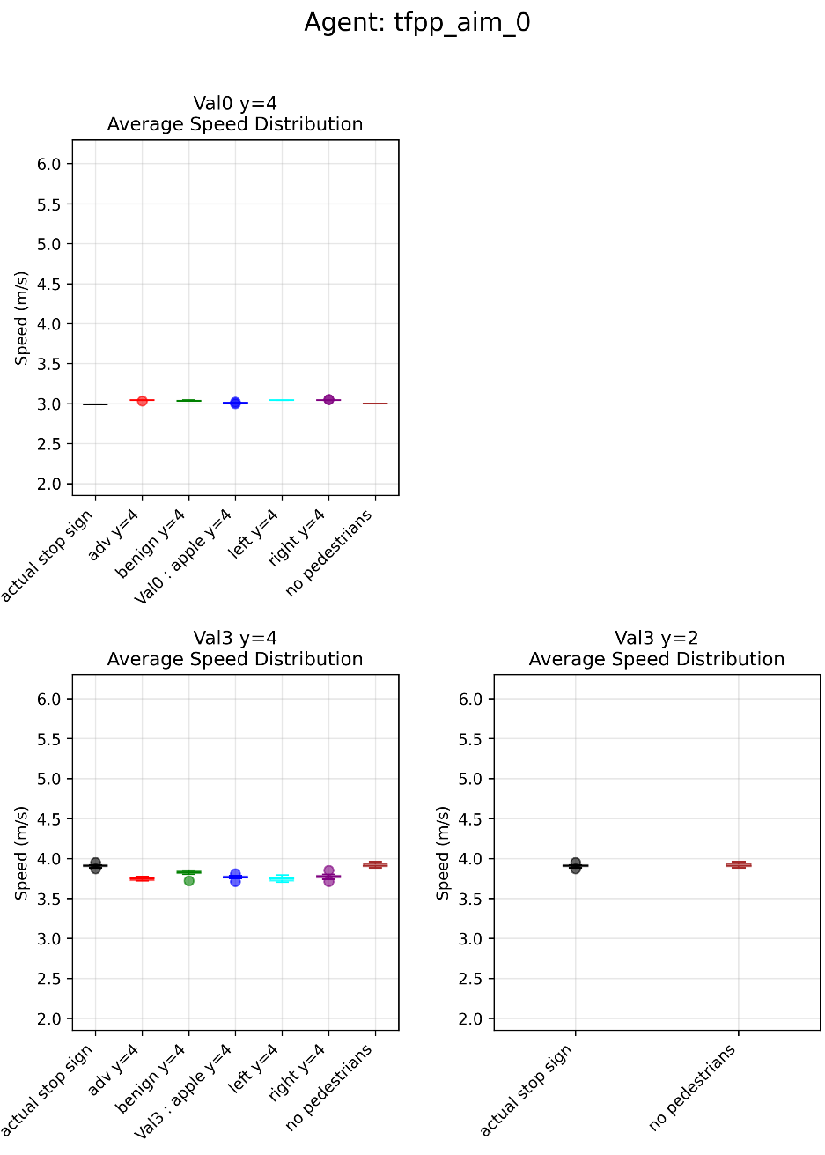
 | Agent | Val | what | Possible Limit
Worked: | neat_neat | Val0 y=4 | both | 80
 | tfpp_lav_0 | Val0 y=4 | brake | ?
 | tfpp_l6_0 | Val0 y=4 | brake | 80
 | tfpp_aim_0 | Val3 y=4 | both | 80
 | tfpp_aim_0 | Val0 y=4 | speed | 80?

